Hiearchy View
CLASS: RELEASE STATION
a single-action station that requires the user to pull the release handle to initiate the release of a fire suppression agent. |  | 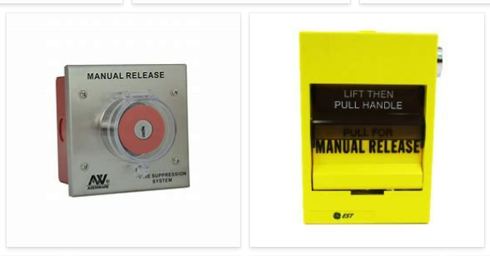
REMOVE | N

PROBLEM_DESC | CAUSE_DESC | REMEDY_DESC
ALARM/SENSOR
BROKEN/DAMAGED
LIGHTING
NOISE
OTHER PROBLEM
OVERHEATING
POWER-ELEC
STOPPED/SLOWED/POOR OPS
TEMP-CTRL
VIBRATION
Grand Total

